Log Data Entry Tips
2024 MSC+/MSHO Activity Tracking Data Entry Tips

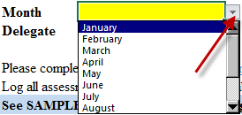
Use drop down list to select the month you are reporting
 | Field | Screenshot | Instructions
 | 1. Month

 | 2. Delegate
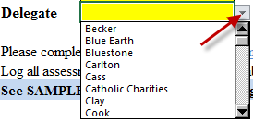
Use drop down list to select Delegate Name
Once you select the Delegate, column A:15 to the bottom will Autopopulate to match your selection

Enter 9-digit Ucare member ID
412345678
312345678
 | 3. UCare Member ID #
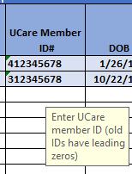

 | 4. DOB
Enter the member's date of birth
Format: mm/dd/yyyy

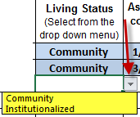
Use drop down list to select Living status
Community
Insitutionalized
 | 5. Living Status

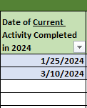
Enter the data of last assessment completed in 2024
Date format should be in mm/dd/yyyy
Do not leave blank
Please note- This section will ONLY accept dates in 2024
 | 6. Date of Current Activity Completed in 2024

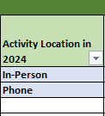
 | 7. Activity Location in 2024

Enter the location where the activity was completed in 2024
In-Person
Televideo (audio and visual)
Phone
Do not leave blank

Use drop down list to select the Type of Current Completed Activity in 2024.
This is where you indicate what actually happened, not what would have happened.
Annual
Initial
Product Change
Significant Health Change
THRA
Mid-Year
TOC Care Plan Update
Refusal
Unable to Reach
For Unable to Reach, enter the date of the 4th outreach attempt (letter)
 | 8. Type of Current Activity Completed in 2024
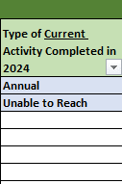

 | 9. Unable to Reach Attempts Completed in 2024

If the Type of Current Completed Activity in 2024 is Unable to Reach,
please provide the dates of all intial attempts

 | 10. Name of Care Cordinator
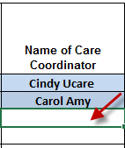
Type in the Name of Care Cordinator

